Sheet1
 | Document No. |  | Issue No. | Issue Date |  |  | Review and Replace Date |  | Authorised By
 | GFF0097MC |  | 2 | 20.05.2019 |  |  | 26.11.2020 |  | Magda Shah
 | Document Title |  | Vegan Fritters Selection 900g - High Risk
Document amendments reason for change | Product weight has changed and recipes revised |  |  |  |  | Previous Issue Date |  | 20.05.2019 | Uncontrolled copy unless signed original

CVFRSL1-B30X8T |  | GAZEBO |  |  | VEGAN FRITTERS SELECTION 900g | CHILLED
STEP 1 |  |  |  |  |  | STEP 2
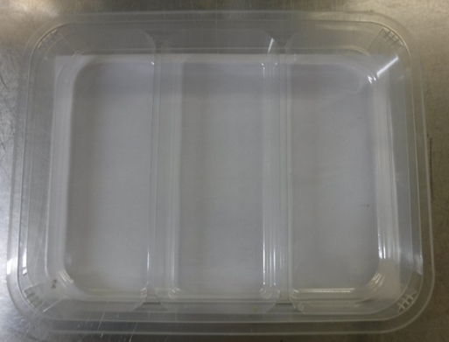 |  |  |  |  |  | 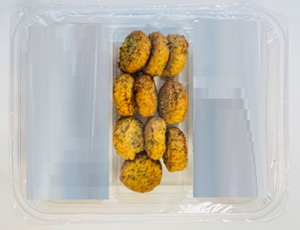

Courgette Fritter in THE MIDDLE

Packaging: TRAY H3H 50 - CLEAR (PKNUT001-07) + PLASTIC TRAY DIVIDER (PKKIN001-06) |  |  |  |  |  | 10 x Courgette, Peas & Lemon Fritter (GFF0252R) 30g (300g)
Line 2 & VG900 - Reel Anti Fog Membrane- PP410 AF (PKPRO001-10)
STEP 3 |  |  |  |  |  | STEP 4
 |  |  |  |  |  | 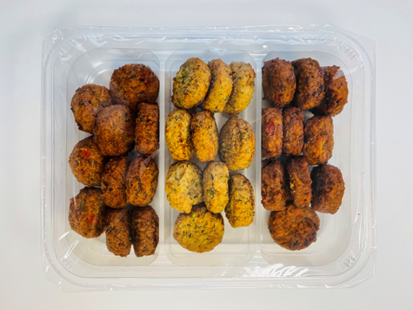
Sweet Potato Fritter on the LEFT
Mushroom Fritter on the RIGHT

10 x Mushroom Bhaji 30g (300g) (GFF338R - Mushroom & Onion Fritter ) |  |  |  |  |  | 10 x Sweet Potato & Black Beans 30g (GFF253R) (300g) |  |  | Total Weight 900 g

ALLERGY ALERT: none

